OutlookLogging Folders Stats
Basically I would need the specified files below from %temp%, and the whole folders when only folders are listed (OlkAS, OlCalLogs, Outlook Logging):

Outlook 2010 | Yes | Outlook 2013 | Yes

Folders |  | Folders
%Temp% |  | %Temp%
olkdisc.log |  | Logcalb# (where # is a number)
Logcalb# (where # is a number) |  | %Temp%/EASLogFiles
OLKRPCLOG_DD_MM_YYYY_HH_MM_SS_X.ETL |  | datafilename.bin;datafilename.xml
%Temp%/OlkAS |  | %Temp%/OlCalLogs
%Temp%/OlCalLogs |  | %Temp%/Outlook Logging
%Temp%/Outlook Logging |  | Grand Total
Grand Total
And the Application and System logs in CSV and EVTX formats (it will be easier for me to analyze having both formats).

Precanned E-mail customer ready
If you encounter the sluggish-snail-like behaviour on your Outlook, can you start network tracing as well as Outlook troubleshooting mode enabling as below – unless you’re happy with cache mode while network is being optimized :

1- Enable Outlook troubleshooting mode

Excel
OneNote
Microsoft Teams
Resources

Setup & Install
Templates
More
0
0

Windows
Xbox
Support

2- Close Outlook
3- Start network tracing (open a CMD console in “Administrator” mode – CRTL + right-click “cmd.exe” or a shortcut of “cmd.exe”, and choose “Run as administrator”):
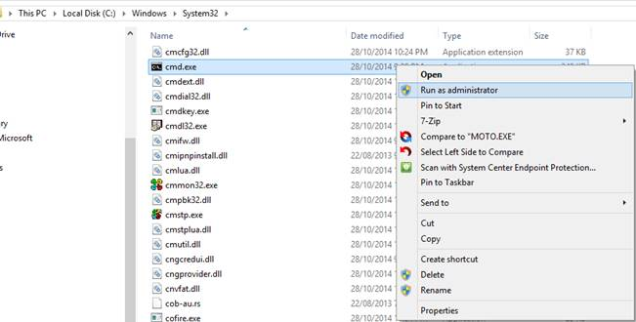

Then type the following in a CMD window:
nmcap.exe /network * /capture /file ExchangeTrace-client.chn:100M

4- Start Outlook again

Wait the issue to appear at least twice, at best three or four times, then

5- Stop outlook
6- Stop network tracing (Ctrl + C on the cmd window where you launched “nmcap.exe”
7- Gather the following files into a ZIP file

Basically I would need the specified files below from %temp%, and the whole folders when only folders are listed (OlkAS, OlCalLogs, Outlook Logging):
Outlook 2010 | No
Outlook 2007 | No

Folders
%Temp%/EASLogFiles
datafilename.bin;datafilename.xml
Grand Total

